HeatMap
Sx | Sx | Sx | Pli | Pli | Pli | Lw | Lw | Lw | Fdi | Fdi | Fdi | Cw | Cw | Cw
39619 | 8482 | 63594 | 32274 | 13903 | 63705 | 39282 | 35192 | 63578 | 48678 | 8492 | 63540 | 53977 | 48519 | 40106
Local | Near | Far | Local | Near | Far | Local | Near | Far | Local | Near | Far | Local | Near | Far
 |  |  |  |  |  |  |  |  |  |  |  |  |  |  | 2019 Fall Survival Surveys |  |  |  |  |  |  |  |  |  |  |  |  |  |  |  |  |  | 2020 Spring Survival Surveys
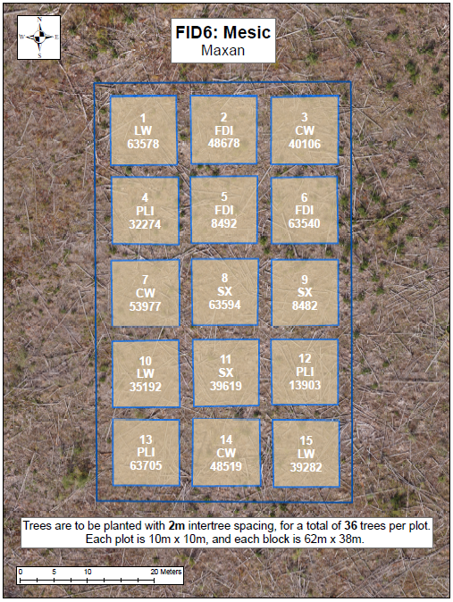
 |  |  |  |  |  |  |  |  |  |  |  |  |  |  | Fair | Fair | Fair | Good | Fair | Fair | Fair | Good | Fair | Good | Fair | Poor | Fair | Good | Good | Good | Good | Good | Poor | Dead | Moribund | Moribund | Moribund | Moribund | Fair | Fair | Fair | Fair | Poor | Moribund | Poor | Poor | Fair | Fair | Fair | Fair | Fair | Poor | Poor | Good | Missing | Fair | Good | Fair | Good | Good | Dead | Dead | Moribund | Fair | Good | Moribund | Poor | Good
 |  |  |  |  |  |  |  |  |  |  |  |  |  |  | Fair | Fair | Good | Good | Fair | Fair | Good | Good | Good | Good | Good | Poor | Fair | Fair | Good | Good | Poor | Poor | Moribund | Poor | Moribund | Moribund | Poor | Moribund | Fair | Fair | Fair | Poor | Fair | Poor | Poor | Poor | Fair | Fair | Poor | Fair | Fair | Fair | Fair | Good | Poor | Dead | Dead | Good | Fair | Good | Good | Dead | Dead | Moribund | Fair | Missing | Poor | Good
 |  |  |  |  |  |  |  |  |  |  |  |  |  |  | Fair | Good | Fair | Fair | Good | Poor | Fair | Poor | Good | Good | Fair | Poor | Fair | Poor | Poor | Fair | Good | Good | Poor | Poor | Moribund | Poor | Moribund | Moribund | Poor | Poor | Fair | Fair | Fair | Poor | Fair | Poor | Moribund | Fair | Fair | Fair | Good | Poor | Poor | Missing | Good | Dead | Good | Poor | Good | Good | Good | Fair | Moribund | Moribund | Moribund | Missing | Good | Fair
 |  |  |  |  |  |  |  |  |  |  |  |  |  |  | Fair | Fair | Good | Fair | Good | Good | Good | Good | Good | Fair | Good | Poor | Good | Good | Good | Good | Good | Fair | Moribund | Poor | Poor | Moribund | Poor | Poor | Fair | Fair | Poor | Poor | Poor | Poor | Fair | Fair | Poor | Fair | Fair | Fair | Poor | Poor | Fair | Dead | Poor | Good | Fair | Dead | Fair | Good | Fair | Moribund | Fair | Fair | Poor | Poor | Poor | Fair
 |  |  |  |  |  |  |  |  |  |  |  |  |  |  | Fair | Fair | Good | Fair | Good | Good | Fair | Fair | Fair | Good | Fair | Poor | Good | Good | Good | Good | Good | Good | Poor | Poor | Moribund | Moribund | Fair | Poor | Fair | Fair | Poor | Poor | Poor | Poor | Fair | Poor | Poor | Fair | Fair | Fair | Good | Poor | Poor | Good | Poor | Fair | Fair | Poor | Good | Fair | Fair | Fair | Fair | Poor | Moribund | Poor | Fair | Good
 |  |  |  |  |  |  |  |  |  |  |  |  |  |  | Fair | Fair | Fair | Fair | Fair | Good | Good | Good | Good | Good | Good | Poor | Good | Missing | Good | Good | Good | Good | Moribund | Poor | Poor | Poor | Poor | Poor | Good | Fair | Poor | Poor | Poor | Good | Poor | Missing | Fair | Fair | Fair | Fair | Poor | Good | Dead | Good | Missing | Poor | Good | Good | Dead | Good | Good | Good | Good | Missing | Fair | Good | Good | Fair

 |  |  |  |  |  |  |  |  |  |  |  |  |  |  | Good | Good | Good | Good | Fair | Good | Good | Fair | Fair | Fair | Poor | Poor | Good | Good | Good | Good | Good | Good | Fair | Good | Good | Fair | Fair | Good | Fair | Fair | Fair | Fair | Poor | Poor | Fair | Fair | Good | Fair | Fair | Good | Good | Good | Good | Good | Fair | Good | Good | Good | Good | Good | Poor | Fair | Poor | Poor | Poor | Poor | Poor | Good
 |  |  |  |  |  |  |  |  |  |  |  |  |  |  | Good | Good | Good | Good | Good | Fair | Good | Good | Good | Fair | Fair | Fair | Good | Good | Good | Fair | Good | Fair | Good | Good | Good | Good | Good | Good | Good | Fair | Good | Fair | Fair | Fair | Good | Fair | Fair | Poor | Fair | Poor | Good | Good | Good | Good | Good | Fair | Good | Good | Good | Good | Fair | Good | Poor | Poor | Poor | Poor | Poor | Good
 |  |  |  |  |  |  |  |  |  |  |  |  |  |  | Good | Good | Good | Good | Good | Fair | Fair | Fair | Good | Good | Fair | Fair | Good | Good | Good | Good | Fair | Fair | Good | Good | Good | Good | Good | Good | Poor | Fair | Fair | Good | Poor | Fair | Fair | Good | Fair | Poor | Fair | Poor | Good | Good | Good | Good | Good | Good | Poor | Dead | Good | Good | Good | Good | Dead | Poor | Poor | Poor | Poor | Poor
 |  |  |  |  |  |  |  |  |  |  |  |  |  |  | Good | Good | Good | Good | Poor | Good | Fair | Fair | Fair | Fair | Fair | Fair | Good | Good | Good | Good | Good | Good | Good | Good | Good | Fair | Fair | Good | Fair | Fair | Poor | Fair | Poor | Poor | Fair | Good | Fair | Poor | Fair | Good | Good | Fair | Good | Good | Fair | Good | Good | Good | Fair | Fair | Good | Good | Poor | Poor | Poor | Poor | Poor | Good
 |  |  |  |  |  |  |  |  |  |  |  |  |  |  | Poor | Good | Good | Good | Good | Fair | Poor | Fair | Poor | Poor | Fair | Fair | Fair | Good | Fair | Good | Good | Good | Poor | Good | Good | Good | Good | Fair | Poor | Fair | Poor | Poor | Fair | Fair | Poor | Fair | Poor | Fair | Poor | Good | Moribund | Good | Good | Good | Good | Fair | Dead | Dead | Poor | Dead | Good | Good | Poor | Poor | Poor | Poor | Poor | Missing
 |  |  |  |  |  |  |  |  |  |  |  |  |  |  | Good | Good | Fair | Good | Good | Good | Fair | Fair | Fair | Fair | Poor | Good | Good | Good | Good | Good | Good | Good | Good | Good | Fair | Good | Good | Poor | Poor | Poor | Fair | Fair | Poor | Fair | Fair | Fair | Fair | Fair | Good | Good | Good | Good | Fair | Good | Good | Fair | Fair | Good | Good | Good | Good | Good | Poor | Poor | Poor | Poor | Missing | Missing

 |  |  |  |  |  |  |  |  |  |  |  |  |  |  | Fair | Fair | Fair | Fair | Fair | Fair | Fair | Fair | Fair | Fair | Fair | Fair | Good | Good | Good | Good | Good | Good | Poor | Poor | Poor | Poor | Poor | Poor | Poor | Good | Good | Poor | Poor | Poor | Fair | Good | Good | Good | Good | Fair | Moribund | Moribund | Moribund | Fair | Good | Fair | Poor | Good | Good | Fair | Good | Good | Fair | Good | Good | Good | Good | Good
 |  |  |  |  |  |  |  |  |  |  |  |  |  |  | Fair | Fair | Fair | Fair | Fair | Poor | Poor | Fair | Fair | Good | Fair | Fair | Good | Good | Good | Good | Good | Good | Poor | Poor | Poor | Poor | Moribund | Moribund | Poor | Fair | Fair | Good | Good | Poor | Poor | Poor | Good | Fair | Poor | Good | Poor | Poor | Dead | Fair | Poor | Moribund | Fair | Good | Good | Good | Good | Poor | Fair | Good | Good | Good | Fair | Good
 |  |  |  |  |  |  |  |  |  |  |  |  |  |  | Fair | Fair | Fair | Good | Good | Fair | Fair | Poor | Fair | Fair | Fair | Fair | Good | Good | Good | Good | Good | Good | Moribund | Poor | Poor | Poor | Poor | Moribund | Fair | Poor | Poor | Poor | Poor | Poor | Fair | Fair | Good | Good | Fair | Good | Poor | Poor | Moribund | Poor | Poor | Dead | Good | Fair | Fair | Fair | Fair | Fair | Good | Fair | Good | Good | Fair | Fair
 |  |  |  |  |  |  |  |  |  |  |  |  |  |  | Poor | Fair | Fair | Fair | Fair | Fair | Fair | Fair | Poor | Poor | Poor | Poor | Good | Good | Good | Good | Good | Good | Poor | Fair | Poor | Poor | Moribund | Poor | Poor | Poor | Poor | Poor | Poor | Fair | Fair | Poor | Fair | Fair | Fair | Fair | Poor | Fair | Poor | Good | Poor | Poor | Poor | Fair | Poor | Good | Good | Good | Fair | Good | Fair | Fair | Fair | Good
 |  |  |  |  |  |  |  |  |  |  |  |  |  |  | Fair | Good | Fair | Good | Fair | Fair | Poor | Poor | Fair | Fair | Fair | Poor | Good | Good | Good | Good | Good | Good | Poor | Poor | Poor | Fair | Poor | Moribund | Poor | Poor | Fair | Poor | Fair | Poor | Fair | Poor | Fair | Good | Good | Good | Moribund | Moribund | Fair | Good | Poor | Moribund | Fair | Fair | Good | Good | Good | Fair | Fair | Poor | Fair | Good | Fair | Fair
 |  |  |  |  |  |  |  |  |  |  |  |  |  |  | Fair | Fair | Good | Fair | Fair | Fair | Fair | Poor | Poor | Fair | Fair | Fair | Good | Good | Good | Fair | Good | Good | Moribund | Poor | Poor | Poor | Moribund | Poor | Fair | Poor | Poor | Poor | Poor | Fair | Good | Good | Good | Poor | Good | Fair | Moribund | Moribund | Poor | Fair | Poor | Moribund | Good | Fair | Poor | Fair | Fair | Good | Fair | Fair | Fair | Poor | Good | Fair

 |  |  |  |  |  |  |  |  |  |  |  |  |  |  | Good | Good | Good | Fair | Fair | Fair | Fair | Good | Fair | Fair | Good | Good | Good | Good | Good | Good | Good | Fair | Dead | Poor | Poor | Poor | Poor | Poor | Poor | Good | Poor | Fair | Good | Fair | Good | Fair | Good | Good | Good | Fair | Dead | Good | Good | Poor | Fair | Good | Fair | Good | Good | Fair | Fair | Good | Good | Fair | Fair | Good | Good | Fair
 |  |  |  |  |  |  |  |  |  |  |  |  |  |  | Fair | Good | Good | Fair | Poor | Good | Good | Good | Fair | Good | Good | Good | Good | Good | Good | Good | Good | Good | Moribund | Poor | Fair | Poor | Poor | Poor | Good | Good | Good | Good | Good | Good | Good | Good | Fair | Good | Good | Good | Poor | Good | Good | Poor | Fair | Good | Good | Good | Good | Good | Good | Good | Fair | Good | Good | Good | Good | Good
 |  |  |  |  |  |  |  |  |  |  |  |  |  |  | Fair | Fair | Poor | Poor | Fair | Good | Fair | Good | Good | Good | Good | Fair | Good | Good | Good | Good | Good | Good | Poor | Poor | Poor | Poor | Poor | Moribund | Good | Good | Good | Good | Good | Good | Good | Good | Fair | Good | Good | Good | Fair | Good | Fair | Moribund | Fair | Dead | Good | Good | Good | Good | Good | Good | Good | Good | Good | Good | Good | Good
 |  |  |  |  |  |  |  |  |  |  |  |  |  |  | Good | Good | Fair | Good | Fair | Fair | Fair | Fair | Fair | Good | Good | Fair | Good | Good | Good | Good | Good | Good | Poor | Poor | Poor | Poor | Poor | Poor | Fair | Fair | Fair | Good | Good | Fair | Good | Good | Good | Fair | Fair | Fair | Good | Good | Fair | Good | Fair | Good | Good | Good | Good | Good | Missing | Good | Fair | Good | Good | Good | Good | Good
 |  |  |  |  |  |  |  |  |  |  |  |  |  |  | Good | Good | Good | Fair | Fair | Fair | Fair | Good | Good | Fair | Fair | Good | Good | Good | Good | Fair | Good | Good | Poor | Poor | Poor | Poor | Poor | Poor | Fair | Good | Fair | Good | Good | Good | Fair | Good | Good | Fair | Fair | Fair | Good | Good | Good | Poor | Good | Fair | Good | Good | Fair | Fair | Good | Good | Poor | Fair | Poor | Fair | Good | Fair
 |  |  |  |  |  |  |  |  |  |  |  |  |  |  | Fair | Good | Fair | Fair | Poor | Poor | Fair | Good | Good | Good | Good | Fair | Good | Good | Good | Good | Good | Good | Poor | Poor | Fair | Fair | Dead | Dead | Fair | Fair | Good | Fair | Good | Fair | Fair | Good | Fair | Good | Good | Fair | Good | Poor | Fair | Fair | Dead | Dead | Good | Good | Good | Fair | Good | Good | Fair | Good | Good | Good | Good | Fair

 |  |  |  |  |  |  |  |  |  |  |  |  |  |  | Good | Fair | Good | Good | Fair | Good | Fair | Poor | Fair | Fair | Good | Fair | Good | Fair | Good | Good | Fair | Poor | Good | Good | Good | Good | Fair | Fair | Moribund | Poor | Moribund | Poor | Moribund | Moribund | Fair | Poor | Fair | Poor | Poor | Poor | Good | Good | Good | Good | Dead | Fair | Moribund | Moribund | Moribund | Moribund | Dead | Moribund | Good | Good | Good | Fair | Good | Poor
 |  |  |  |  |  |  |  |  |  |  |  |  |  |  | Good | Good | Good | Fair | Fair | Fair | Fair | Fair | Good | Good | Good | Fair | Good | Fair | Poor | Good | Poor | Good | Good | Good | Good | Fair | Fair | Fair | Poor | Poor | Moribund | Poor | Poor | Moribund | Poor | Poor | Moribund | Poor | Poor | Fair | Good | Fair | Fair | Fair | Fair | Fair | Moribund | Moribund | Moribund | Moribund | Fair | Moribund | Fair | Good | Dead | Fair | Good | Good
 |  |  |  |  |  |  |  |  |  |  |  |  |  |  | Good | Good | Fair | Fair | Fair | Fair | Poor | Good | Good | Good | Good | Fair | Good | Good | Good | Good | Fair | Poor | Good | Good | Fair | Fair | Fair | Fair | Moribund | Poor | Poor | Poor | Poor | Moribund | Fair | Poor | Poor | Poor | Fair | Poor | Good | Good | Fair | Fair | Fair | Poor | Moribund | Good | Fair | Poor | Moribund | Moribund | Good | Good | Good | Fair | Good | Poor
 |  |  |  |  |  |  |  |  |  |  |  |  |  |  | Good | Good | Fair | Good | Fair | Fair | Good | Good | Good | Good | Good | Good | Good | Good | Good | Poor | Fair | Poor | Good | Fair | Fair | Good | Good | Fair | Poor | Poor | Poor | Poor | Fair | Poor | Fair | Poor | Poor | Poor | Fair | Poor | Good | Good | Fair | Poor | Good | Fair | Moribund | Fair | Good | Poor | Good | Poor | Fair | Dead | Dead | Fair | Fair | Moribund
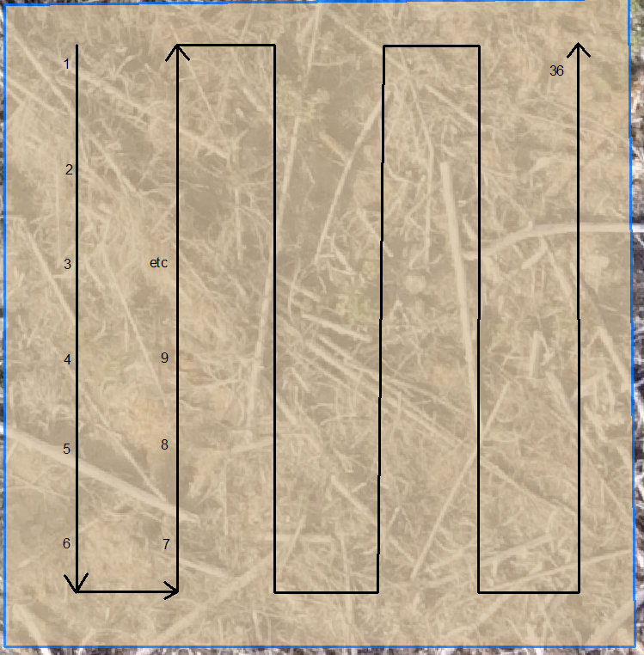
 |  |  |  |  |  |  |  |  |  |  |  |  |  |  | Good | Good | Fair | Good | Good | Good | Good | Fair | Good | Fair | Good | Good | Poor | Good | Good | Fair | Poor | Poor | Good | Good | Fair | Fair | Good | Fair | Poor | Poor | Poor | Poor | Poor | Poor | Poor | Poor | Moribund | Poor | Poor | Poor | Fair | Good | Fair | Dead | Fair | Fair | Fair | Moribund | Moribund | Poor | Fair | Poor | Fair | Fair | Good | Fair | Poor | Poor
 |  |  |  |  |  |  |  |  |  |  |  |  |  |  | Good | Good | Good | Good | Fair | Good | Fair | Fair | Good | Fair | Good | Good | Poor | Poor | Fair | Moribund | Poor | Poor | Good | Good | Good | Good | Fair | Fair | Poor | Poor | Poor | Poor | Poor | Poor | Fair | Poor | Poor | Moribund | Poor | Poor | Good | Good | Fair | Fair | Fair | Fair | Poor | Moribund | Moribund | Fair | Good | Poor | Good | Poor | Fair | Poor | Poor | Poor

Height Stats
 | Sx | Sx | Sx | Pli | Pli | Pli | Lw | Lw | Lw | Fdi | Fdi | Fdi | Cw | Cw | Cw
 | 39619 | 8482 | 63594 | 32274 | 13903 | 63705 | 39282 | 35192 | 63578 | 48678 | 8492 | 63540 | 53977 | 48519 | 40106
Average Height (cm) | 33.6 | 31.5 | 35.2 | 34.9 | 34.4 | 34.1 | 34.2 | 33.9 | 24.3 | 20.6 | 26.9 | 13.8 | 21.9 | 24.1 | 23.0
Min Height | 22.0 | 20.0 | 3.0 | 22.0 | 9.0 | 27.0 | 15.0 | 23.0 | 7.0 | 10.0 | 11.0 | 7.0 | 16.0 | 16.0 | 13.0
Max Height | 48.0 | 43.0 | 50.0 | 47.0 | 53.0 | 45.0 | 64.0 | 49.0 | 44.0 | 34.0 | 44.0 | 18.0 | 29.0 | 34.0 | 31.0
Average Diameter (mm) | 6.9 | 5.9 | 5.8 | 7.9 | 7.9 | 6.3 | 6.2 | 5.3 | 4.9 | 5.6 | 7.5 | 2.8 | 4.1 | 5.0 | 4.6
Min Diameter | 4.0 | 4.0 | 4.0 | 4.0 | 6.0 | 4.0 | 3.0 | 3.0 | 3.0 | 3.0 | 4.0 | 2.0 | 3.0 | 3.0 | 3.0
Max Diameter | 12.0 | 8.0 | 8.0 | 11.0 | 11.0 | 9.0 | 10.0 | 9.0 | 8.0 | 8.0 | 12.0 | 4.0 | 7.0 | 9.0 | 7.0
Average Leader Length (cm) | 6.8 | 7.3 | 4.5 | 11.1 | 11.6 | 7.4 | 11.1 | 9.9 | 10.5 | 6.4 | 6.5 | 3.0 | 1.2 | 5.2 | 9.2
Min Leader Length | 1.0 | 1.0 | 2.0 | 0.0 | 5.0 | 4.0 | 0.0 | 0.0 | 0.0 | 3.0 | 2.0 | 0.0 | 0.0 | 2.0 | 0.0
Max Leader Length | 14.0 | 15.0 | 14.0 | 21.0 | 25.0 | 19.0 | 30.0 | 19.0 | 22.0 | 16.0 | 18.0 | 6.0 | 9.0 | 10.0 | 17.0

